Use_Case
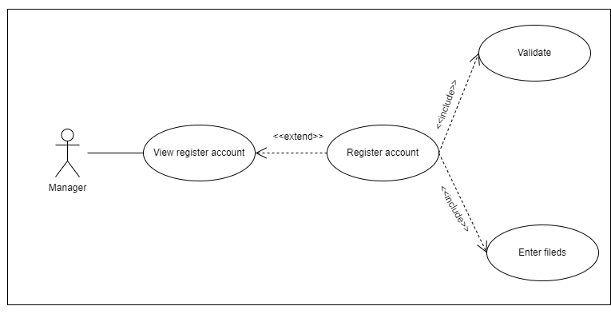
Màn hình danh sách nhân viên
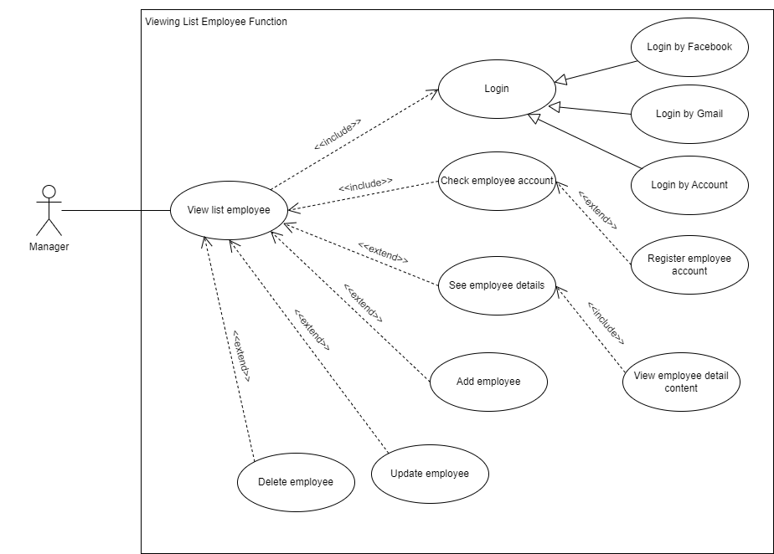

Màn hình đăng ký tài khoản

Class_Diagram
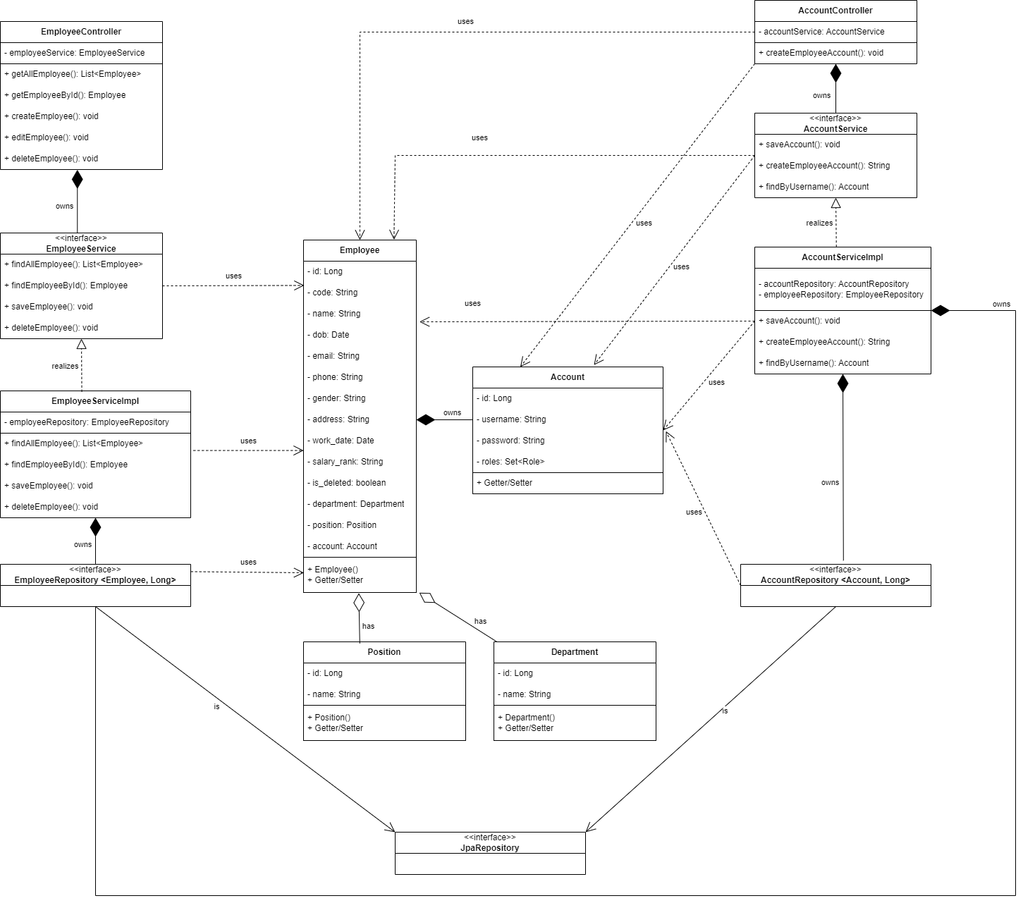
Danh sách nhân viên và đăng ký tài khoản

Sequence_Diagram
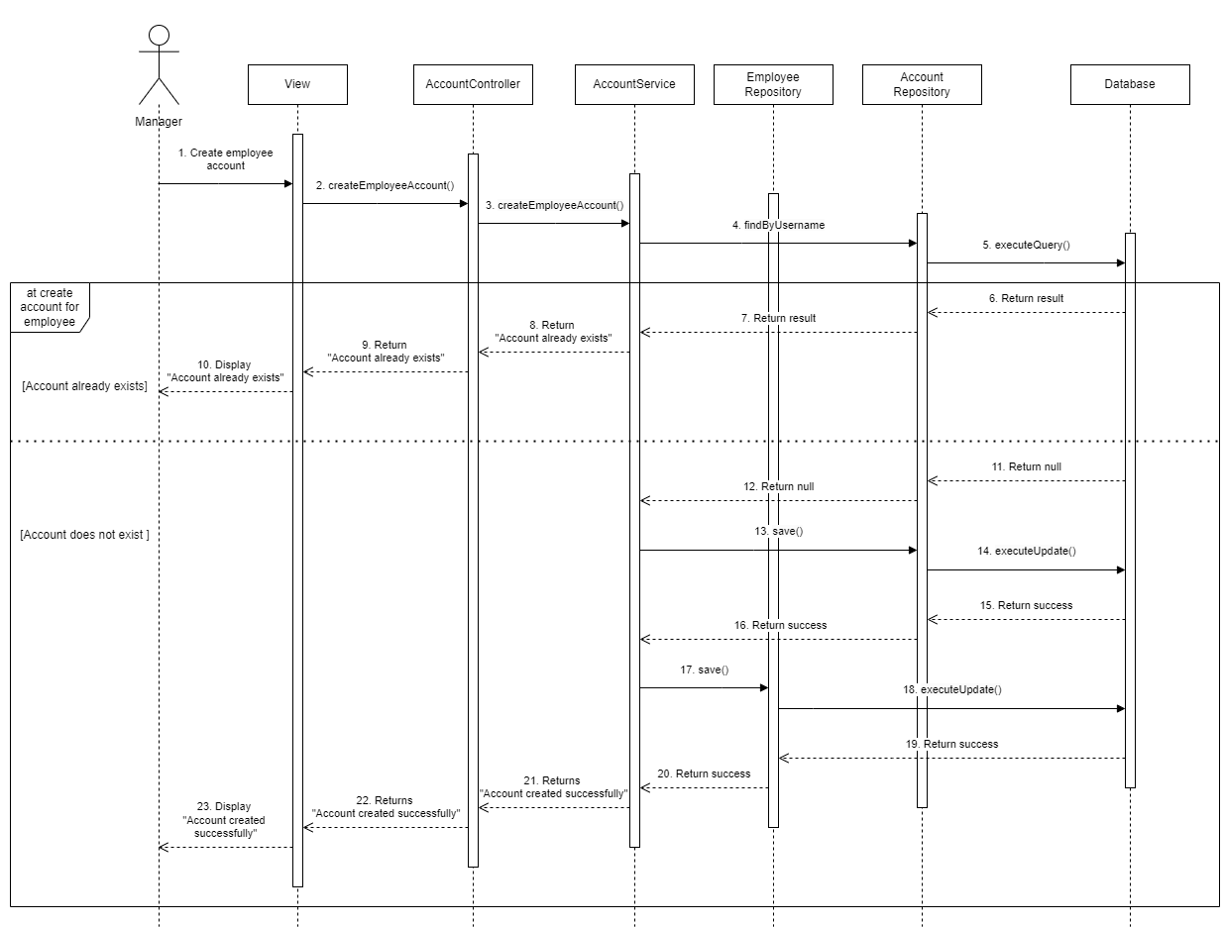
Danh sách nhân viên
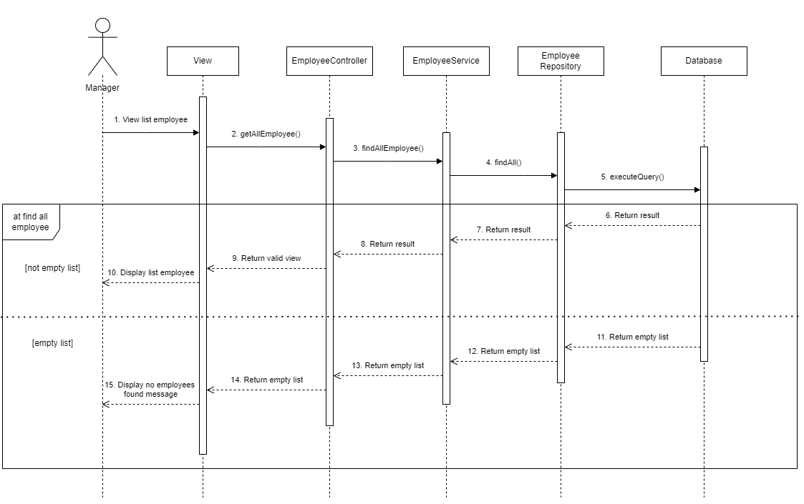

Đăng ký tài khoản

